25-W88E-STD
BIKE CODE FOR ORDERS |  | 25-W-88E-STD | BIKE DESCRIPTION NAME | YCF W-88E 2025 | CONTROL STATUS
EFFECTED DATE(D/M/Y) |  | 17/12/2024 | VERSION | 2025A0

Handle bar assembly |  |  |  |  |  | AB
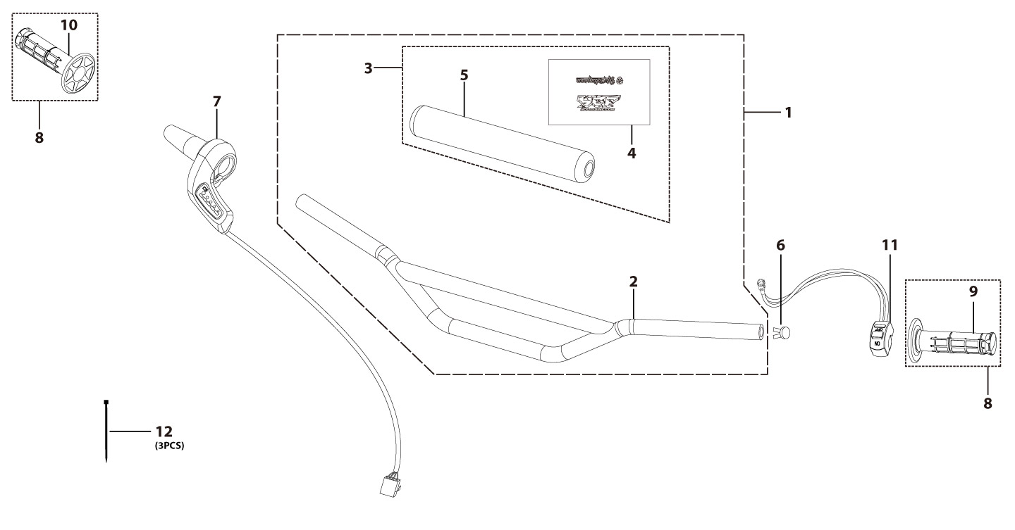
N° | Ref. | Description | Français | Picture | Qty/Bike | Rep. Pst.
2 | YC110-0101-34-BK | chromoly handle high bar L=760mm d=22.2 mm, with cross bar, embossed, Black | Guidon acier avec Barre "HAUT" avec stries L=760mm d.22.2 mm Noir |  | 1
3 | YC110-0132 | Complete Bar Pad for Chromolly Handlebar L=250mm START Black-WHITE | Mousse guidon complete pour guidon Chromolly L=250mm Noir-BLANC |  | 1
6 | YC110-0153-01 | Handle bar plastic cap,Nylon,Black | Embout plastique de guidon,nylon,Noir |  | 1
7 | YC110-0138-06 | Throttle seat assembly without handle glue L=450mm Electric vehicle 2024 | Siège d’accélérateur sans poignée adhésif L=450mm modèle 2024 |  | 1
8 | PPC011-GY | set of grip 2020 (YCF LOGO) Grey | Paire de poignée caoutchouc 2020 (YCF LOGO) GRISE |  | 1
11 | YC110-0105-15 | Kill Switch ON/OFF L=580mm Waterproof | Coupe circuit on off L=580mm ETANCHE |  | 1
12 | YC110-01-03-BK | Cable tie,nylon, L=150mm Black | collier maintien cable, nylon, L=150mm Noir |  | 3
Steering stem assembly |  |  |  |  |  | AB
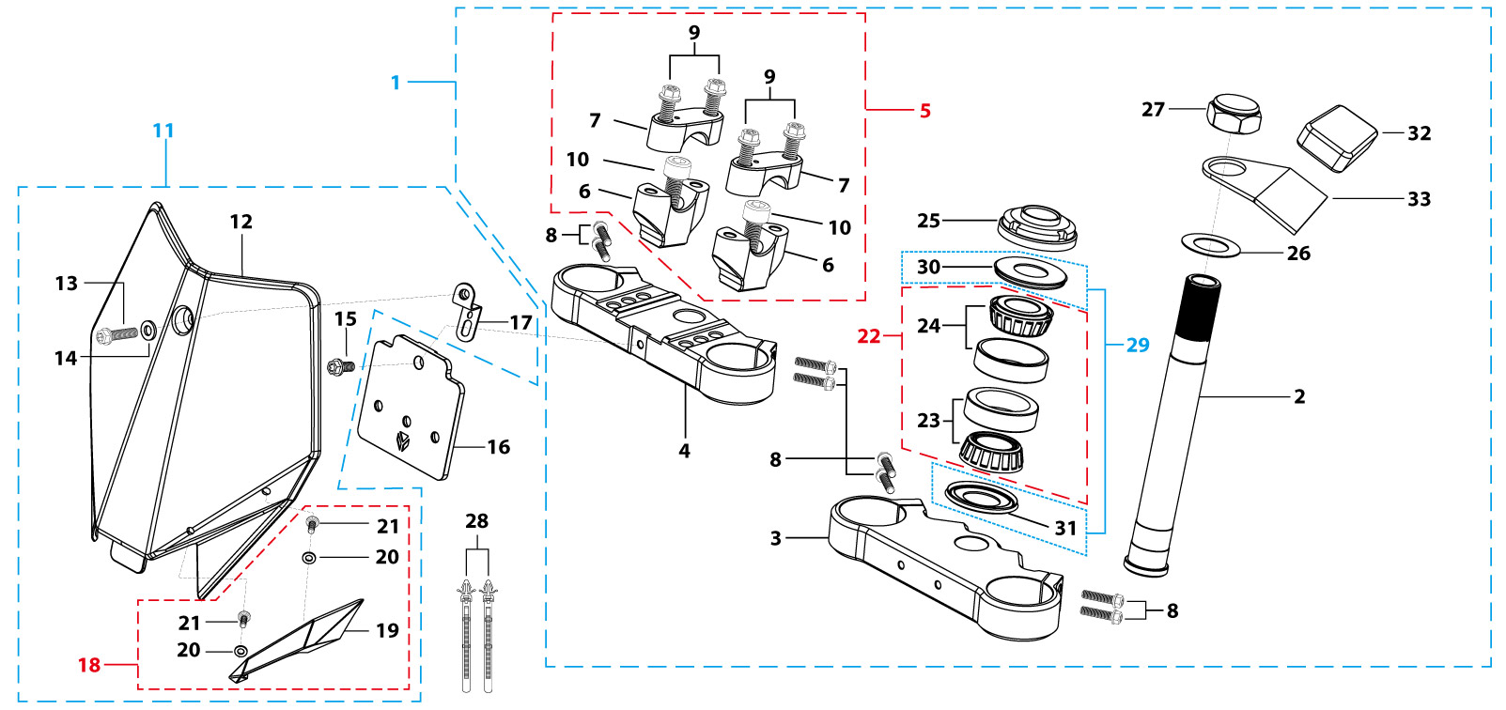
N° | Ref. | Description | Français | Picture | Qty/Bike | Rep. Pst.
1 | YC88-02-041-BK | Complete Triple Clamp L=160mm Steering stem L=213mm START88 2020 MATT Black | Te Fourche Complet L=160mm tige colonne direction L=213mm START88 2020 Noir MAT |  | 1
2 | YC88-0201-03 | Steering stem L=213 mm | tige colonne direction L=213 mm |  | 1
3 | YC110-0202-56-BK | Lower triple clamp L=160mm d48mm H=28mm START/PILOT 2020 MATT Black | té fourche inferieur L=160mm d48mm H=28mm START/PILOT 2020 Noir MAT |  | 1
4 | YC110-0201-56-BK | Top Triple Clamp L=160mm d45mm H=28mm START/PILOT 2022, 3 ADJUSTEBLE POSITIONS,MATT Black | té fourche supérieur L=160mm d45mm H=28mm START/PILOT 2022, REGLAGE 3 POSITIONS,Noir MAT |  | 1
5 | YC110-0203-035 | Set of Bar mount d22.2mm /H=top 18mm+bottom 55mm START 2020(with GB70-M10x50x1.5W 2EA+BT08-M8x30-W 4EA)Black | jeu pontet guidon d22.2mm /H=supérieur 18mm+inferieur 55mm START 2020(avec GB70-M10x50x1.5W 2EA+BT08-M8x30-W 4EA) Noir |  | 1
6 | YC110-0203-32 | Lower Bar Mount CNC d=22.2mm H=55mm START 2020 Black | Pontet guidon inférieur d=22.2mm H=55mm START 2020 Noir |  | 2
7 | YC110-0201-02 | Top Bar Mout CNC d=22.2 mm H=18mm START 2020 Black | pontet guidon supérieur d=22.2mm H=18mm START 2020 Noir |  | 2
8 | BT08-M6x25-W | HEXAGON Torx screw with Flange M6x25mm | Vis HEXAGONALE Torx avec Flange M6x25mm |  | 8
9 | BT08-M8x30-W | HEXAGON Torx screw with Flange M8x30mm | Vis HEXAGONALE Torx avec Flange M8x30mm |  | 4
10 | GB70-M10x50x1.5-W | HEXAGON SOCKET Head Bolt,steel, M10x50mmx1.5mm | Vis Allen (BTR),acier, M10x50mmx1.5mm |  | 2
11 | YC110-0212-07-BK | Complete Front Number Plate PP SP 2025 BLACK | PLAQUE AVANT complete PP SP 2025 NOIR |  | 1
13 | BT08-M6x12-W | HEXAGON Torx screw with Flange M6x12mm | Vis HEXAGONALE Torx avec Flange M6x12mm |  | 1
14 | GB97-d6-W | Flat washer,steel d6mm | Rondelle plate,acier d6mm |  | 1
15 | GBT5787-M6x16-6-W | Hex. Bolt with flanged M6x16mm (step 6mm) steel | Vis avec epaulement M6x16mm (deport 6mm) acier |  | 1
16 | YC110-0213-12 | Front plastic plate to hold cables 75mmx80mm | Plaque avant plastique maintien cables 75mmx80mm |  | 1
17 | YC110-0213-11 | Number plate bracket 18mmx93mm H=18mm LITE 2020 double holes | support plaque avant 18mmx93mm H=18mm LITE 2020 Doubles trous |  | 1
18 | YC110-0214-01-BK | Complete Break Line Retainer (with GB818-M4x10-W 2EA+GB97-d4-W 2EA) BLACK | guide durite avec vis sur plaque avant complet (avec GB818-M4x10-W 2EA+GB97-d4-W 2EA) NOIR |  | 1
20 | GB97-d4-W | Flat washer,steel d4mm | Rondelle plate,acier d4mm |  | 2
21 | GB818-M4x10-W | Pan / Round head cross machine screw M4x10mm | Vis à tête ronde cruciforme M4x10mm |  | 2
22 | KRDIRECTION46 | set of bearing for steering 46/23.5、46/22 | Kit rlt colonne direction 46/23.5、46/22 |  | 1
25 | YC110-02-09 | Top nut for steering,steel, d=54.5mm | écrou crantellé colonne direction steel d=54.5mm |  | 1
26 | YC110-02-10 | Washer for steering stem nut, stainless steel, d22mmxd37mmx0.7mm | joint colonne direction,inox, d22mmxd37mmx0.7mm |  | 2
27 | YC110-02-11 | Nut for steering stem,steel, M22x1.0mm | écrou supérieur colnne direction ,acier, M22x1.0mm |  | 1
28 | YC110-01-08-BK | Cable tie, PA66 L=80mm ADJUSTABLE Black | Collier maintien cable,PA66 L=80mm ADJUSTABLE Noir |  | 2
29 | YC110-02-20 | Washer for steering stem nut d22mm (top)/d24mm (bottom)-d47mm | Joint pour colonne direction d22mm (haut)/d24mm (bas) -d47mm |  | 1
32 | YC110-1529-03 | hour meter YCF 2024 | compteur heure YCF 2024 |  | 1
33 | STANDCOMPT-H02 | Current display mounting bracket 2024 | Support de montage actuel 2024 |  | 1
Front Fender |  |  |  |  |  | AB

N° | Ref. | Description | Français | Picture | Qty/Bike | Rep. Pst.
1 | YC50-031-01-WH | Front Fender PP YCF50 2020 WHITE | Gb avant PP YCF50 2020 BLANC |  | 1
3 | GBT5787-M6x16-6-W | Hex. Bolt with flanged M6x16mm (step 6mm) steel | Vis avec epaulement M6x16mm (deport 6mm) acier |  | 3
4 | GBT5787-M6x16-3-W | HEXAGON screw with Flange with half thread M6x16mmx3mm | Vis HEXAGONALE avec Flange et deport M6x16mmx3mm |  | 2
Front & Rear absorber |  |  |  |  |  | AB
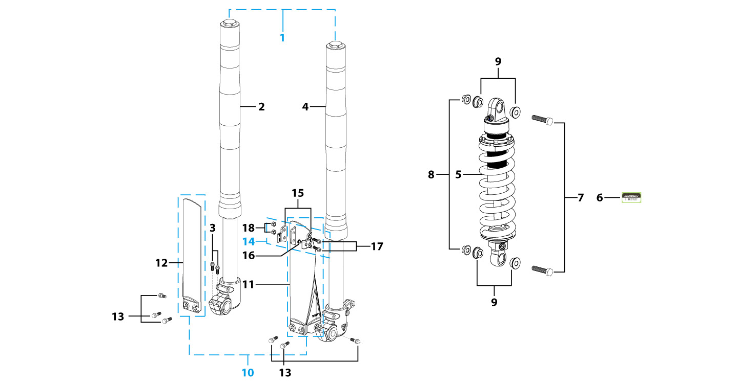
N° | Ref. | Description | Français | Picture | Qty/Bike | Rep. Pst.
1 | YC110-0400-43 | Pair of forks L=600mm (not adjustable) 2020 GREY | Jeu de fourches L=600mm 2020 GRIS |  | 1
2 | YC110-0401-32 | Front right fork L=600mm START88 2020 TITAN cylinder, Chrome tube, silver base | Tube fourche droit (non ajustable) L=600mm GRIS 2020 |  | 1
3 | BT08-M6x30-W | HEXAGON Torx screw with Flange M6x30mm | Vis HEXAGONALE Torx avec Flange M6x30mm |  | 2
4 | YC110-0401-38 | Front left fork L=600mm (not adjustable) 2020 GREY | Jeu de fourches L=600mm 2020 GRIS pour etrier double piston |  | 1
5 | YC110-0404-15 | Shock absorber START88 265mmx750lbs KKE YELLOW | Amortisseur START88 265mmx750lbs KKE JAUNE |  | 1
7 | GB5789-M12x45-W-1.25 | HEXAGON screw with Flange M12x1.25x45mm | Vis HEXAGONALE avec Flange M12x1.25x45mm |  | 2
8 | GB6183-M12x1.25-Cr | Flanged nylon lock nut M12x1.25 Blue nylon chrome plated | Nylon de verrouillage en flange M12x1.25 Nylon Bleu Nylon |  | 2
9 | YC110-0420 | Shock bottom spacer d12mmxd16mmxd20mmx10.9mm T=3mm | Entretoise bas amortisseur d12mmxd16mmxd20mmx10.9mm T=3mm |  | 4
10 | YC110-0418-01-BK | 660mm set of fork protection PP L=265mm 2013 Black | 660mm Jeu protection fourche PP L=265mm 2013 Noir |  | 1
13 | GBT5787-M6x14-5-W | Hex. Bolt with flanged M6x14mm (step 5 mm) steel | Vis avec epaulement M6x14mm (deport 5 mm ) acier |  | 6
14 | YC110-0403-05 | Complete Oil steel line retainer on left front fork PP START Black | Complet Passe durite sur protection fourche gauche PP START Noir |  | 1
17 | BT08-M6x20-W | HEXAGON Torx screw with Flange M6x20mm | Vis HEXAGONALE Torx avec Flange M6x20mm |  | 2
18 | GB6170-M6-W | HEXAGON Nut M6mm steel | Ecrou HEXAGONAL M6mm acier |  | 2
Front Brake Assy |  |  |  |  |  | AB

N° | Ref. | Description | Français | Picture | Qty/Bike | Rep. Pst.
1 | YC110-0501-2001 | Front brake assy 2 pumps L= 980mm d10mm/d10mm w/t abestos 2020 | kit frein avant 2 pistons avec gaine plastic L=980mm d10mm/d10mm sans amiante 2020 |  | 1
2 | YC110-0501-0104-02 | Front Brake Reservoir for 2 pump piston d10mm START 2020 | Maitre cylindre frein avant pour étrier 2 pistons piston d10mm START 2020 |  | 1
3 | YC110-0517-01 | Front brake lever for 2 pump brake adjustable | levier frein ajustable |  | 1
4 | HB06-M6x30-G | Hex.bolt with flanged M6x30mm (Step M8x15mm) front front brake lever | vis M6x30mm (deport M8x15mm) |  | 1
5 | GB6184-M6-G | HEXAGON FLAT NYLON LOCK NUT M6-G | Ecrou HEXAGONAL autobloquant nylon M6-G |  | 1
6 | YC110-0515-01 | rubber for brake lever | caoutchouc levier frein avant |  | 1
8 | BT08-M6x35-W | HEXAGON Torx screw with Flange M6x35mm | Vis HEXAGONALE Torx avec Flange M6x35mm |  | 2
9 | YC110-0501-0328 | Front brake oil steel line L=980mm M10/d10mm Black, 2020 | Durite frein avant L=980mm M10/d10mm Noir,2020 |  | 1
10 | YC110-0501-0209 | Front Brake caliper for 2 pump d10mm | étrier frein avant double pistons d10mm |  | 1
11 | YC110-0501-0418 | Front Brake pads for double pump brake START88 | jeu plaquette frein avant pour frein 2 pistons START88 |  | 2
12 | YC110-1255-03 | caliper screw for front brake L=45mm Army green | vis plaquette frein avant L=45mm |  | 2
13 | YC110-0501-030 | Bracket for front brake 2 pumps | patte frein avant etrier 2 pistons |  | 1
14 | BT08-M6x20-W | HEXAGON Torx screw with Flange M6x20mm | Vis HEXAGONALE Torx avec Flange M6x20mm |  | 2
Front Wheel Assy |  |  |  |  |  | AB

N° | Ref. | Description | Français | Picture | Qty/Bike | Rep. Pst.
1 | YC110-0601-2901 | Complete STEEL Front wheel 1.4x12' (die cast hub, d220mm brake disk) 2020 | roue avant complète ACIER 1.4x12' (moyeux injécté cerceau avec d220mm disque) 2020 |  | 1
3 | YC110-0622-08 | Front hub with oil seal 2021 10k | moyeux avant injectée avec joint spy 2021 10k |  | 1
4 | YC110-0601-0201 | Front axle bushing 7075 d17mmxd24mmx44mm | Entretoise central roue avant 7075 d17mmxd24mmx44mm |  | 1
5 | 96140-6003-2Z | Ball bearing 6003 d17mmxd35mmx10mm | roulement roue 6003 d17mmxd35mmx10mm |  | 2
6 | YC110-0611 | OIL SEAL d23mmxd35mmx5mm | joint spy roue d23mmxd35mmx5mm |  | 2
7 | YC110-0609-15-GY | Front wheel spacer right, 7075, d15mmxd22mmx24mm with STEP d15mmxd17mmx15mm And d15mmx19.4mmx4mm MATT GREY | Entretoise roue avant droite,7075 , d15mmxd22mmx24mm avec epaulement d15mmxd17mmx15mm And d15mmx19.4mmx4mm GRIS MAT |  | 1
8 | YC110-0610-15-GY | Front wheel spacer left 7075 d15mmxd22mmx34mm with STEP d15mmxd17mmx15mm MATT GREY | Entretoise roue avant gauche 7075 d15mmxd22mmx34mm avec epaulement d15mmxd17mmx15mm GRIS MAT |  | 1
9 | YC110-06-061 | Front Axle d15mm L=215 mm with Self-locking nut M14 | axe de roue avant d15mm L=215 mm avec ecrou M14 |  | 1
10 | GB6187-M14-W | HEXAGON FLAT FLANGE LOCK NUT M14 steel | Ecrou HEXAGONAL avec Flange autobloquant M14 acier |  | 1
11 | YC110-0513-02 | Brake disk front d220mm | Disque frein avant d220mm |  | 1
12 | KVD | Disk screws kit (contain GB70.2-M8x16-Cr 4EA) | KIT VIS DISQUE M8x16 (lot 4) |  | 1
14 | YC110-0601-013 | STEEL Rim for Front wheel 1.4x12' Black | cerceau roue av 1.4x12' ACIER Noir |  | 1
15 | 60/100/12 | Front tyre 60/100/12' YCF | pneu 60/100/12' YCF |  | 1
16 | CHAMBRE12AV | Tube for front tire 2.50x12' | chambre air avant 2.50x12' |  | 1
18 | YC110-11-01 | tire lining for 12'x20 | fond jante av12'x20 |  | 1
19 | JR12-12.1-10K | set of front spoke 1.40x12' 125mmx16+122mmx16 10K (3.2mm) | Jeu rayon avant 1.40x12' 125mmx16+122mmx16 10K (3.2mm) |  | 1
Fuel Tank |  |  |  |  |  | AB
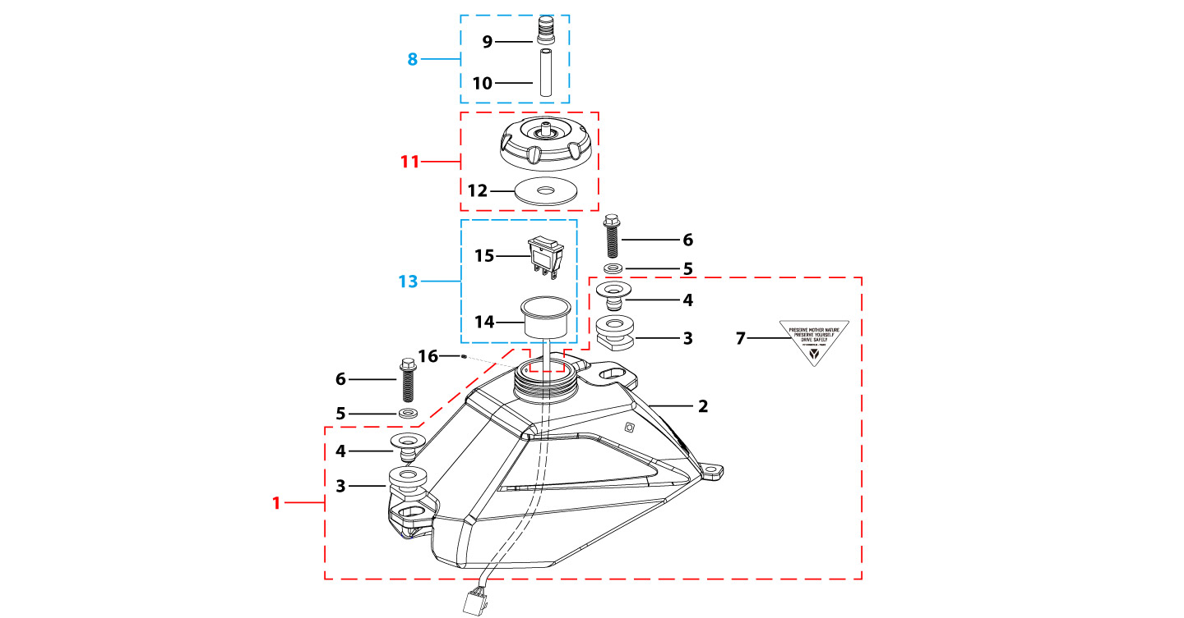
N° | Ref. | Description | Français | Picture | Qty/Bike | Rep. Pst.
1 | YC110-0701-01 | Complete fuel tank suitable for pre bikes F125 (with YC110-07-01 2EA+YC110-07-02 2EA+YC110-1910 1EA) 2025 | Reservoir complet F125 (Adaptable pour motos avant)(avec YC110-07-01 2EA+YC110-07-02 2EA+YC110-1910 1EA) 2025 |  | 1
2 | YC110-0718-04 | Fuel tank W88E with grain , with 20 holes 2025 | Reservoir seul W88E avec finition granulee ,avec 20 trou 2025 |  | 1
5 | GB96-d8-W | Flat washer,steel d8mm | Rondelle plate,acier d8mm |  | 2
 | BT08-M8x30-W | HEXAGON Torx screw with Flange M8x30mm | Vis HEXAGONALE Torx avec Flange M8x30mm |  | 2
8 | YC125-0704-BK | Fuel tank valve complete L=40mm Black | Valve prise air complete L=40mm Noir |  | 1
11 | YC110-0702-01 | Tank cap plastic Ventilator d3mm | Bouchon reservoir plastique YCF d3mm |  | 1
13 | YC110-1560-01 | Speed regulator WITH plastic support | Regulateur vitesse AVEC support |  | 1
14 | YC110-1545-02 | Plastic support for speed regulator | Support regulateur de vitesse |  | 1
15 | YC110-1544-01 | Speed regulator button | Bouton regulateur vitesse |  | 1
16 | DIN916-M5x6 | Screw M5x6mm for clutch lever 2020 | Vis sans tete M5x6mm pour Levier embrayage 2020 |  | 1
Foot Peg assy |  |  |  |  |  | AB
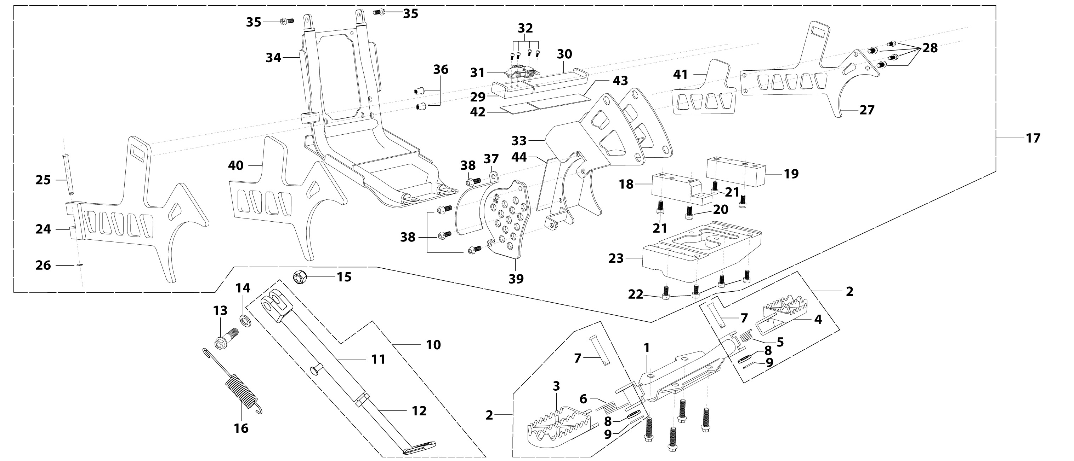
N° | Ref. | Description | Français | Picture | Qty/Bike | Rep. Pst.
1 | YC88-0901-02-BK | Foot pegs bar d22mm x 2.5mm START 88 / LITE 2025 BLACK | barre repose pied d22mm x 2.5mm START 88 / LITE 2025 NOIR |  | 1
2 | YC110-0902-17 | Steel foot pegs set START / PILOT 2022 GREY | Jeu repose pied Acier START / PILOT 2022 GRIS |  | 1
5 | YC110-09-01 | Spring for right steel foot peg d2mmxd17mmx12mm | ressort repose pied droit acier d2mmxd17mmx12mm |  | 1
6 | YC110-09-02 | Spring for left steel foot peg d2mmxd17mmx12mm | ressort repose pied gauche acier d2mmxd17mmx12mm |  | 1
7 | GB882-d8x40-W | shaft pin for steel footpegs d8mmx40mm | axe repose pied acier d8mmx40mm |  | 2
8 | GB97-d8-W | Flat washer,steel d8mm | Rondelle plate,acier d8mm |  | 2
9 | GB91-d2x25-W | Split pin d2.0mmx25mm | Goupille d2.0mmx25mm |  | 2
10 | YC50-210-01 | Adjustable stand L=180mm-L=240mm adjustable | Bequille reglable L=180mm-L=240mm réglable |  | 1
13 | FB02-M10x1.5x30I | Stepped screw M10x35mm for kick stand (step 1.5) | vis bequille M10x35mm (pas1.5) |  | 1
14 | GB93-d10-W | Spring Lock Washers d10mm | Rondelle a ressort d10mm |  | 1
15 | GB6172-M10-G | HEXAGON Nut M10 for #17 sleeve | Ecrou HEXAGONAL M10 for #17 sleeve |  | 1
16 | YC110-19-01 | spring for kick stand d2.5mmxd15mmx105mm | ressort bequille d2.5mmxd15mmx105mm |  | 1
18 | YC110-0951-BK | Motor left mounting pad aluminum W88E 2024 Black | Support de montage moteur gauche aluminium W88E 2024 Noir |  | 1
19 | YC110-0945-BK | Motor right mounting pad aluminum W88E 2024 Black | Support de montage moteur droit aluminium W88E 2024 Noir |  | 1
20 | GB70-M8x15 | HEXAGON SOCKET Head Bolt, stainless steel, M8x15mm | Vis Allen (BTR)inox, M8x15mm |  | 2
21 | GB70-M8x30 | HEXAGON SOCKET Head Bolt, stainless steel, M8x30mm | Vis Allen (BTR)inox, M8x30mm |  | 2
22 | GB70-M8x20 | HEXAGON SOCKET Head Bolt, stainless steel, M8x20mm | Vis Allen (BTR)inox, M8x20mm |  | 4
23 | YC110-0946-BK | Motor bracket backing plate aluminum W88E 2024 Black | Support moteur plateau mat aluminium W88E 2024 Noir |  | 1
...
N° | Ref. | Description | Français | Picture | Qty/Bike | Rep. Pst.
36 | GB6100-M6-CW | Rivet M6x15mm for Rear brake hose fixation on swing arm | Rivet M6x15mm pour Attache duritesur bras oscillent |  | 2
37 | YC110-0955-BK | Chain baffle aluminum W88E 2024 Black | Déflecteur de chaîne aluminium W88E 2024 Noir |  | 1
38 | BT08-M6x20-W | HEXAGON Torx screw with Flange M6x20mm | Vis HEXAGONALE Torx avec Flange M6x20mm |  | 4
39 | YC110-24-071-BK | Aluminium chain protection 2010 START Black | Protection PSB Aluminium 2010 START Noir |  | 1
40 | YC110-1566-01 | Battery protection rubber cushion left decorative panel 2025 | Mousse de protection de la batterie Caoutchouc Plaque décorative gauche 2025 |  | 1
41 | YC110-1566-02 | Battery protection rubber cushion rubber right decorative plate 2025 | Mousse de protection de la batterie Caoutchouc Plaque décorative droite 2025 |  | 1
42 | YC110-1566-03 | Battery protection rubber pad rubber battery fastening left card 2025 | Mousse de protection de la batterie Caoutchouc Batterie serrée sur la bande gauche 2025 |  | 1
43 | YC110-1566-04 | Battery protection rubber pad rubber battery fastening right card 2025 | Mousse de protection de la batterie Caoutchouc Batterie serrée à droite 2025 |  | 1
44 | YC110-1566-05 | Battery protection rubber pad rubber battery hanging plate 2025 | Mousse de protection de la batterie Caoutchouc Plans de pansement de la batterie 2025 |  | 1
Swing Arm assy |  |  |  |  |  | AB
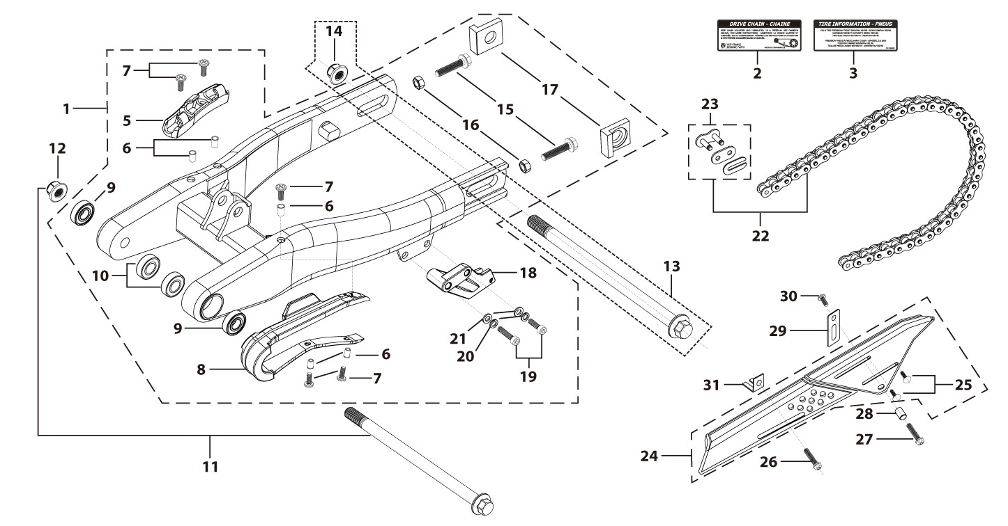
N° | Ref. | Description | Français | Picture | Qty/Bike | Rep. Pst.
1 | YC110-1001-0702-BK | Mono swing arm complete steel L=360mm 2025 Black adjustable 2 height | Bras oscillant acier mono L=360mm 2025 Noir complet ajustable 2 hauteurs |  | 1
5 | YC110-10-015-BK | Rear brake hose guide 2020 Black | Passe durite de frein arriere sur bras oscillant 2020 Noir |  | 1
7 | DIN7985-M6x16 | Screw M6x16mm inox | Vis M6x16mm inox |  | 4
8 | YC110-10-025 | Chain slider for Steel / Alum swing arm PU PILOT/SP/BIGY/SUNDAY/MINI GP and START/SM125/W88E (360/390 mm) | Patin chaine pour bras Acier / Alu 420/460 mm PU PILOT/SP/BIGY/SUNDAY/MINI GP et START/SM125/W88E (360/390 mm) |  | 1
9 | 6001/28-12-08 | Swing arm ball bearing 6001 d12mmxd28mmx8mm | Roulement bras oscillant 6001 d12mmxd28mmx8mm |  | 2
10 | YC110-1001-013 | Spacer for swing arm d12mmxd20mmx11.5mm | Entretoise de bras oscillent d12mmxd20mmx11.5mm |  | 2
11 | YC110-10-034 | Swing arm shaft with self lock nut M12 L=192mm d12 | axe bras oscillant d12 avec ecrou M12 L=192mm |  | 1
12 | GB6187-M12-W | HEXAGON FLAT FLANGE LOCK NUT M12mm steel | Ecrou HEXAGONAL avec Flange autobloquant M12mm acier |  | 1
13 | YC110-11-074 | Rear wheel axle L=215mm d15mm with Self locking nut M14 | axe roue arriere L=215mm d15mm avec ecrou M14 |  | 1
...
N° | Ref. | Description | Français | Picture | Qty/Bike | Rep. Pst.
23 | AR-420 | Chain link H=17mm | Attache rapide chaine H=17mm |  | 1
24 | YC110-1028-02 | Chain box protection | Protection chaine plastique |  | 1
25 | SC17-M8x20-B | Rivet Plastic Black M8x20mm for Chain box protection | Rivet plastique M8x20 pour fixation de la Protection chaine plastique M8x20mm |  | 2
26 | GB5787-M6x10-W | HEXAGON screw with Flange M6x10mm steel | Vis HEXAGONALE avec Flange M6x10mm acier |  | 1
27 | GB5787-M6x16-W | HEXAGON screw with Flange M6x16mm steel | Vis HEXAGONALE avec Flange M6x16mm acier |  | 1
28 | FB13-7x12x5.5 | Bushing d7mmxd12mmx5.5mm for gearshift tube | Entretoise d7mmxd12mmx5.5mm pour tige de selecteur |  | 1
29 | YC110-0213-0401 | Number plate bracket long TOP 2020 | Support plaque avant 2020 |  | 1
30 | GB818-M6x12-W | Pan / Round head cross machine screw M6x12mm | Vis à tête ronde cruciforme M6x12mm |  | 1
31 | YC110-0600-021 | Chain box protection support (front) | Support avant Protection chaine plastique |  | 1
Rear Wheel Assy |  |  |  |  |  | AB
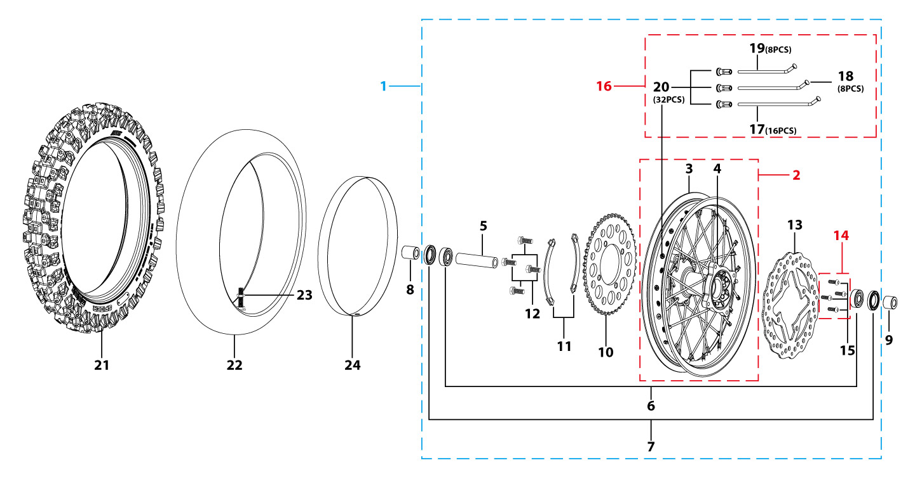
N° | Ref. | Description | Français | Picture | Qty/Bike | Rep. Pst.
1 | YC110-1101-3501-BK | Complete STEEL Rear wheel 1.85x10' with YCF disk. die cast hub, W88E, sprocket 47T CNC 2023 10K | roue arriere complète ACIER 1.85x10' avec disque YCF moyeux injecte, W88E, couronne 47T CNC 2023 10K |  | 1
3 | YC110-1117-01 | STEEL Rim 1.85x10' Black | cerceau roue 1,85x10' ACIER Noir |  | 1
4 | YC110-1122-08 | Rear wheel die cast hub with oil seal 2021 10K | Moyeux arrière injecté avec joint spy 2021 10K |  | 1
5 | YC110-1101-0601 | Rear hub axle bushing 7075 d17mmxd24mmx74mm | Entretoise intérieur moyeux arrière 7075 d17mmxd24mmx74mm |  | 1
6 | 96140-6003-2Z | Ball bearing 6003 d17mmxd35mmx10mm | roulement roue 6003 d17mmxd35mmx10mm |  | 2
7 | YC110-0611 | OIL SEAL d23mmxd35mmx5mm | joint spy roue d23mmxd35mmx5mm |  | 2
8 | YC110-1112-06-GY | Rear wheel spacer left 7075 d15mmxd22mmx39mm with step d15mmxd17mmx15mm MATT GREY | Entretoise roue arriere gauche 7075 d15mmxd22mmx39mm avec epaulement d15mmxd17mmx15mm GRIS MAT |  | 1
9 | YC110-1111-06-GY | Rear wheel spacer right 7075 d15mmxd22mmx30mm with step d15mmxd17mmx15mm MATT GREY | Entretoise roue arriere droite 7075 d15mmxd22mmx30mm avec epaulement d15mmxd17mmx15mm GRIS MAT |  | 1
10 | CA16R47-SI | CNC SPROCKET 47 SILVER 2016 | COURONNE ALU 47 SILVER 2016 |  | 1
11 | YC110-11-03 | Sprocket Locking piece | block couronne |  | 2
12 | GB5783-M8x25-W | Hexagon Head Bolt with full thread M8x25mm | Vis a tete HEXAGONALE M8x25mm |  | 4
13 | YC110-1115-01 | Rear Brake disc d200mm 2016 | Disque frein arrière d200 mm 2016 |  | 1
14 | KVD | Disk screws kit (contain GB70.2-M8x16-Cr 4EA) | KIT VIS DISQUE M8x16 (lot 4) |  | 1
16 | JR10-10.4-10K | set of spoke 10' (106mmx16+98mmx8+104mmx8) 10K | jeu rayon arrière 10' (106mmx16+98mmx8+104mmx8)10K |  | 1
21 | 300/10 | YCF tyre 3.00/10' SF | pneu 3.00/10' YCF SF |  | 1
22 | CHAMBRE10 | Tube for Rear tire 3.00x10' 88CC | chambre air 3.00x10' standard 88CC |  | 1
24 | YC110-11-02 | Tire lining 10‘x18 | fond jante 10’x18 |  | 1
Rear brake |  |  |  |  |  | AB
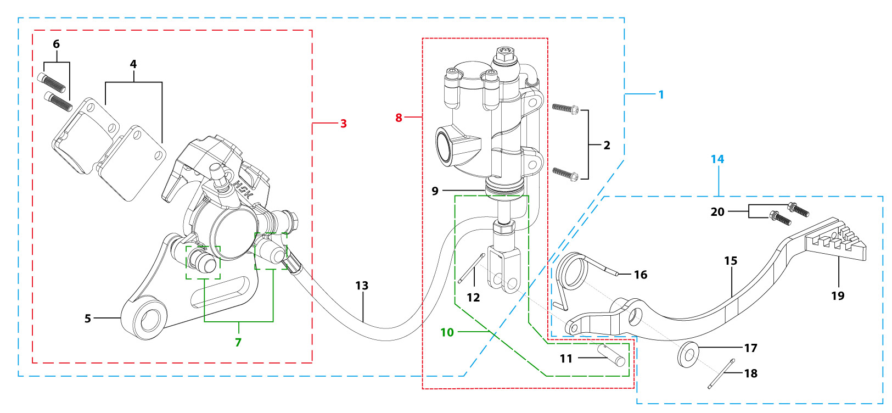
N° | Ref. | Description | Français | Picture | Qty/Bike | Rep. Pst.
1 | YC110-12013-0301 | Rear brake aasy 1 piston L=345mm 2020 | Kit frein arriere 1 piston avec gaine plastic L=345mm 2020 |  | 1
2 | BT08-M6x20-W | HEXAGON Torx screw with Flange M6x20mm | Vis HEXAGONALE Torx avec Flange M6x20mm |  | 2
3 | YC110-1201-0402 | Rear Caliper 1 pistons d10 | étrier frein arrière 1 piston d10 |  | 1
4 | YC110-120104 | Friction pad for 1 piston brake | plaquette frein arrière 1 piston |  | 2
5 | YC110-1201-01 | Rear brake bracket T=6mm | patte fixation étrier frein arriere T=6mm |  | 1
6 | YC110-1255 | caliper screw for front brake L=38mm Army green | vis plaquette frein avant L=38mm |  | 2
7 | YC110-120110 | rubber for rear caliper | jeu de caoutcgouc d'etrier frein arriere |  | 1
8 | YC110-1201021 | Rear reservoir d80mm(with stick L=115mm) | maitre cylindre frein arrière avec embout durite d8mm L=115mm |  | 1
9 | YC110-12025 | Rubber for rear reservoir push stick d19mm | Caoutchouc tige maitre cylindre frein arrier d19mm |  | 1
...
N° | Ref. | Description | Français | Picture | Qty/Bike | Rep. Pst.
11 | GB882-d7x19-W | Pin shaft d7mmx19mm | axe d7mmx19mm |  | 1
12 | GB91-d1.6x16-W | Split pin d1.6mmx16mm | Goupille d1.6mmx16mm |  | 1
13 | YC110-1201060 | Oil steel tube L=345mm d8mm/d10mm Black 2020 | Durite frein arrière L=345mm d8mm/d10mm Noir 2020 |  | 1
14 | YC110-211 | complete brake pedal steel -20mm 2020 | Pédale de frein complete courte (-20mm) acier 2020 |  | 1
16 | YC110-21-01 | Spring for Steel brake pedal' d3.5mmxd34.5mmx11mm | ressort pour pédale de frein Acier d3.5mmxd34.5mmx11mm |  | 1
17 | FB20-15x25x2-W | Flat washer steel d14.5mmxd25mmx2mm | rondelle acier d14.5mmxd25mmx2mm |  | 1
18 | GB91-d2.5x30-W | Split pin d2.5mmx30mm | Goupille d2.5mmx30mm |  | 1
19 | YC110-1223-01 | Steel brake pedal end cap 2020 | embout pédale de frein Acier 2020 |  | 1
20 | BT08-M6x12-W | HEXAGON Torx screw with Flange M6x12mm | Vis HEXAGONALE Torx avec Flange M6x12mm |  | 2
Seat & Plastic kit |  |  |  |  |  | AB
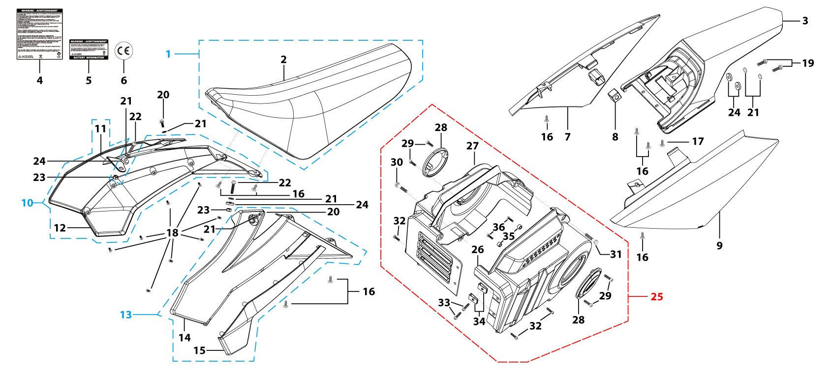
N° | Ref. | Description | Français | Picture | Qty/Bike | Rep. Pst.
1 | YC110-1401-21 | Seat assy "low" L=480mm H=122mm 2025 BLACK | Selle basse L=480mm H=122mm 2025 NOIR |  | 1
2 | YC110-14024-01 | YCF START seat cover 2025 | Housse selle YCF START 2025 |  | 1
3 | YC110-14-012-WH | YCF Rear fender 2013 WHITE | Garde boue arrière YCF 2013 avec Picots BLANC |  | 1
7 | YC110-14-022-WH | YCF right side plastic WHITE | Plaque latérale droite YCF BLANC |  | 1
8 | YC110-14-03 | Cushion for right side plastic Black | caoutchouc plaque laterale droite Noir |  | 1
9 | YC110-14-042-WH | YCF left side plastic WHITE 2013 | Plaque laterale gauche YCF BLANC 2013 |  | 1
10 | YC110-14-059-BK | Right shroud SP 2025 Black | Ouie radiateur droite SP 2025 Noir |  | 1
13 | YC110-14-069-BK | Left shroud SP 2025 Black | Ouie radiateur gauche SP2025 Noir |  | 1
16 | GB845-ST4.8x16-G | Pan Head Cross Tapping Screw ST4.8x16mm | Vis taraudeuse à tête ronde cruciforme ST4.8x16mm |  | 8
17 | GB845-ST4.8x20-G | Pan Head Cross Tapping Screw ST4.8x20mm | Vis taraudeuse à tête ronde cruciforme ST4.8x20mm |  | 1
18 | GB819-M4x10-W | Countersunk cross head machine screw,steel, M4x10mm | Vis à tête fraisée plate cruciforme ,acier, M4x10mm |  | 8
19 | BT08-M6x20-W | HEXAGON Torx screw with Flange M6x20mm | Vis HEXAGONALE Torx avec Flange M6x20mm |  | 2
20 | FB5787-M5x12-W | hex.Bolt with flanged M5x12mm | Vis M5x12mm |  | 2
21 | GB96-d6-W | Flat washer,steel d6mm | Rondelle plate,acier d6mm |  | 6
22 | BT08-M6x25-W | HEXAGON Torx screw with Flange M6x25mm | Vis HEXAGONALE Torx avec Flange M6x25mm |  | 2
23 | GB6177-M6-W | HEXAGON FLAT FLANGE NUT M6 steel | Ecrou HEXAGONAL avec Flange M6 acier |  | 2
Electric |  |  |  |  |  | AB
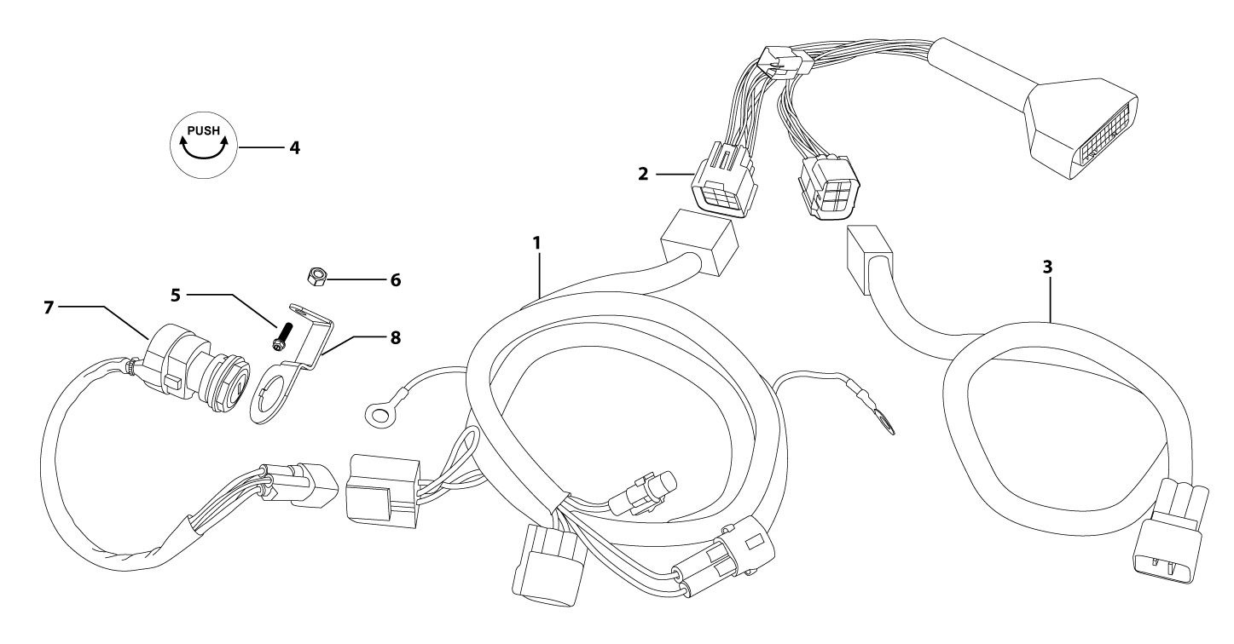
N° | Ref. | Description | Français | Picture | Qty/Bike | Rep. Pst.
1 | YC110-1501-28 | Wire harness YCF France W88E 2024 L=820mm | Faisceaux electrique YCF France W88E 2024 L=820mm |  | 1
2 | YC110-1501-27 | Wire harness W88E 2024 L=240mm | Boucle de câbles W88E 2024 L=240mm |  | 1
3 | YC110-1501-23 | Waterproof W88E 2020 for motor connecting wire | Câble de connexion électrique Étanche W88E 2020 |  | 1
4 | YC110-1921-01 | Sticker for Charger connexion d=20mm | Sticker pour Connection chargeur d=20mm |  | 1
5 | GB819-M3x12 | Countersunk cross head machine screw,stainless steel, M3x12mm | Vis à tête fraisée plate cruciforme,inox, M3x12mm |  | 2
6 | GB6170-M3 | HEXAGON Nut M3mm inox | Ecrou HEXAGONAL M3mm inox |  | 2
7 | YC110-0021-02 | Key contactor Waterproof | Contacteur a cle etanche |  | 1
8 | YC110-1531-03 | Key contactor bracket Black | Support Contacteur Cle Noir |  | 1
Frame |  |  |  |  |  | AB
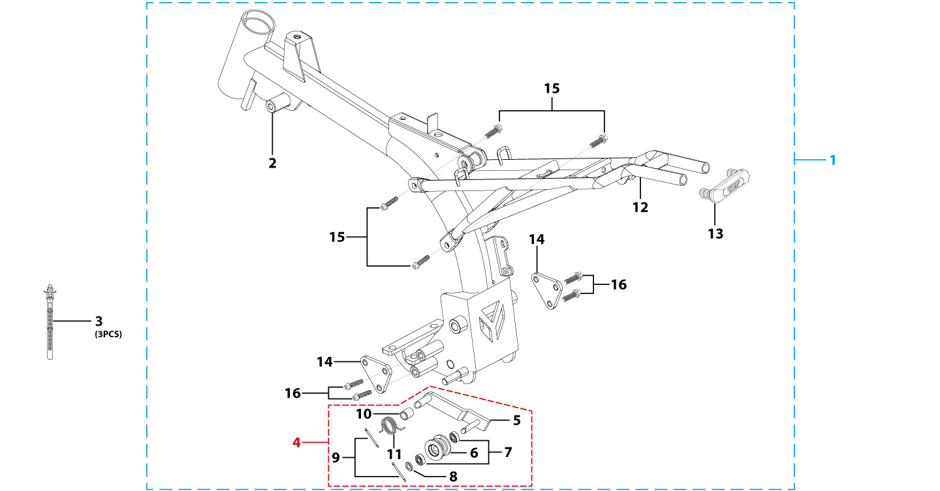
N° | Ref. | Description | Français | Picture | Qty/Bike | Rep. Pst.
1 | YC110-1601-01-BK | Frame Assembly W88E 2024 Black frame Black lift body universal START88SE frame | Ensemble de cadre W88E modèle 2024 cadre noir panneau de suspension noir corps général START88SE cadre |  | 1
2 | YC110-1601-1102-BK | Frame W88E Q235 main generic START88SE frame 2024 Black | Cadre W88E Q235 corps général START88SE cadre 2024 Noir |  | 1
3 | YC110-01-08-BK | Cable tie, PA66 L=80mm ADJUSTABLE Black | Collier maintien cable,PA66 L=80mm ADJUSTABLE Noir |  | 3
4 | YC110-1614-27 | Rear Sub frame part W88E Steel Black 2020 | Boucle Arriere Acier Noire W88E 2020 |  | 1
6 | YC110-1633-02 | Rubber plug for SUBFRAME part d=16mm | Embout Caoutchouc YCF boucle arriere d=16mm |  | 1
Graphics |  |  |  |  |  | AB

N° | Ref. | Description | Français | Picture | Qty/Bike | Rep. Pst.
A1 | KD-25-W-88E-STD | Complete graphic kitSTART W88E 2025 | Kit deco complet START W88E 2025 |  | 1
...

